How to cover deficits
How to cover deficits

1. Calculate the total of the deficits. Note: 820 CB expenses is a total sum, be careful not to calculate both the sum and the amounts in 820100,820200, & 820600.
2. Determine the commitment items (CI's) that have remaining funds to cover the deficits. It may be one or several. These are your "sender" CI's
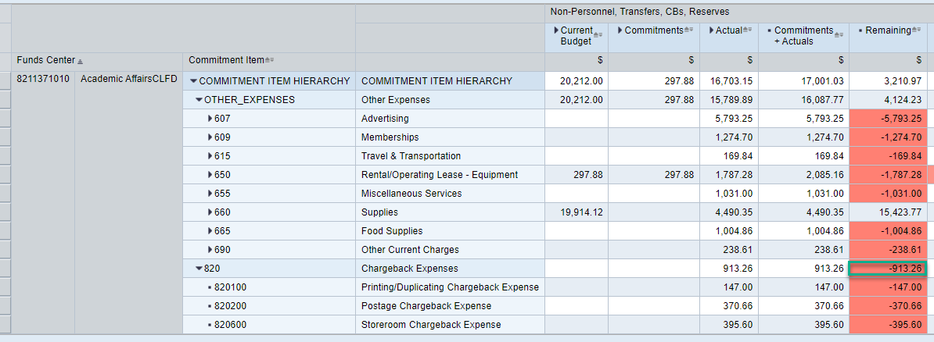

3. In SAP use transaction FMBB to transfer funds. See instructions on second tab

Then click on the green check at the top left

It will update the data and check to make sure your senders (-) and receivers (+) equal. If they don't, it may be a typo, check your input.
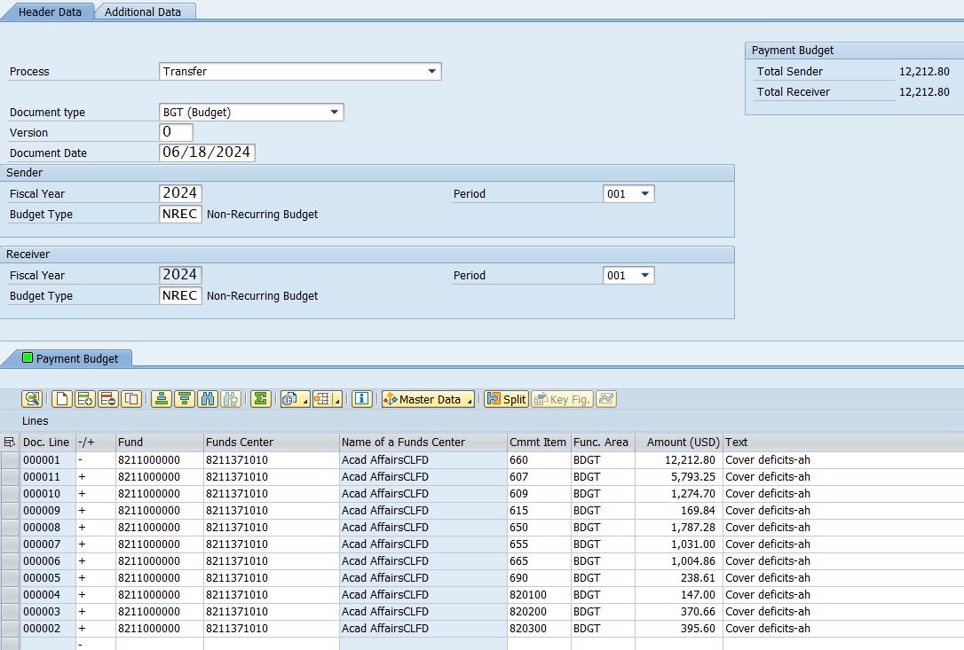

When everything is correct and the transfer balances, click on the pre-post icon, you will receive a document number at the bottom left of screen.

FMBB Transfer
How to Pre-Post a Budget Transfer - FMBB
Transaction: FMBB
1. Click on transaction FMBB or type it in blank space at top.
2. If you get a pop-up box to enter FM area, enter SSHE
3.
Choose Transfer from the Process menu (see instructions below)
4.
Input Data

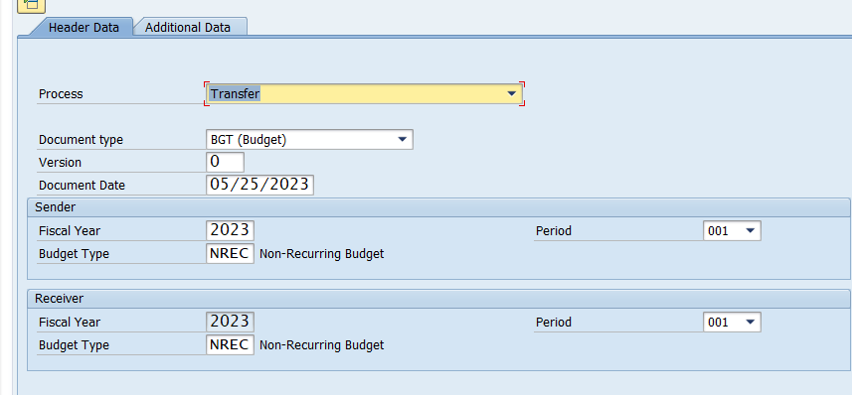

first line is Sender - , change to a + for Receivers
You can have multi senders, 1 receiver, 1 sender, 1 receiver or any other combination as long as the senders and receiver lines balance.

Insert Funds center/Comm Item/Amount/Text and click on green check which will add the rest of the data.
5. Enter Text (Required)
6. Use to check for errors. (located at very top of transaction

7. When you have verified that you have no errors, click on located towards top of screen.

8. You will receive a document number at the bottom grey area.

